P1, P2 Calculation
Control Valve P1 and P2 for 0 to 150% of Maximum Design Flow

Process data
Max des. Flow | Q_max | 550 | gpm |  |  |  | This worksheet is furnished at no cost on an as-is basis. The author assumes no liability for its use.
P1 at max flow | P1_maxQ | 32 | psig
P2 at max flow | P2_maxQ | 12 | psig
Min des. Flow | Q_min | 110 | gpm |  |  | Data input
P1 at min flow | P1_minQ | 41.6 | psig |  |  | Final results
P2 at min flow | P2_minQ | 10.1 | psig

 |  | Calculated Data
 |  | Q, gpm | System dp upstream | P1, psig | System dp downstream | P2, psig
0% Qmax | 0Q_max | 0 | 0.0 | 42.0 | 0.0 | 10.0
10% Qmax | 10Q_max | 55 | 0.1 | 41.9 | 0.0 | 10.0
20% Qmax | 20Q_max | 110 | 0.4 | 41.6 | 0.1 | 10.1
30% Qmax | 30Q_max | 165 | 0.9 | 41.1 | 0.2 | 10.2
40% Qmax | 40Q_max | 220 | 1.6 | 40.4 | 0.3 | 10.3
50% Qmax | 50Q_max | 275 | 2.5 | 39.5 | 0.5 | 10.5
60% Qmax | 60Q_max | 330 | 3.6 | 38.4 | 0.7 | 10.7
70% Qmax | 70Q_max | 385 | 4.9 | 37.1 | 1.0 | 11.0
80% Qmax | 80Q_max | 440 | 6.4 | 35.6 | 1.3 | 11.3
90% Qmax | 90Q_max | 495 | 8.1 | 33.9 | 1.6 | 11.6
100% Qmax | 100Q_max | 550 | 10.0 | 32.0 | 2.0 | 12.0
110% Qmax | 110Q_max | 605 | 12.1 | 29.9 | 2.4 | 12.4
120% Qmax | 120Q_max | 660 | 14.4 | 27.6 | 2.9 | 12.9
130% Qmax | 130Q_max | 715 | 16.9 | 25.1 | 3.3 | 13.4
140% Qmax | 140Q_max | 770 | 19.6 | 22.4 | 3.9 | 13.9
150% Qmax | 150Q_max | 825 | 22.5 | 19.5 | 4.5 | 14.5

 |  |  |  |  |  |  | Intermediate Calculations
 |  |  |  |  |  |  |  |  |  | Units
 |  |  |  |  |  |  | dp upstream pipe | dp_up | 9.6
 |  |  |  |  |  |  | Upstream Res. Factor | R_up | 3.305785124E-05 | Pressure/flow squared
 |  |  |  |  |  |  | dp downstream pipe | dp_dn | 1.9
 |  |  |  |  |  |  | Downstream Res. Factor | R_dn | 6.5426997245E-06 | Pressure/flow squared

 |  |  |  |  |  |  | dp upstream at min flow | dpup_minQ | 0.40000 | Pressure
 |  |  |  |  |  |  | dp downstream at min flow | dpdn_minQ | 0.07917 | Pressure

Instructions
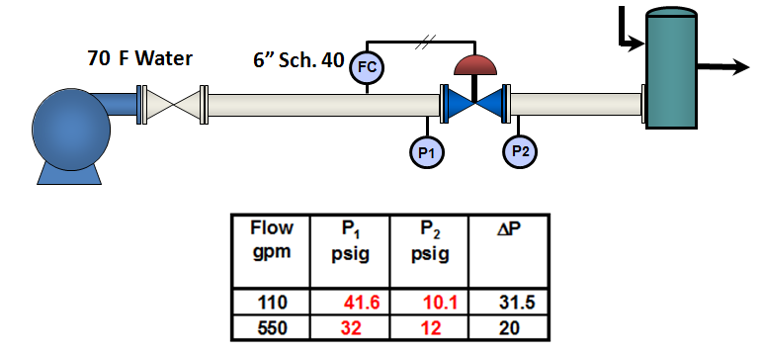
Instructions Microsoft Excel® Worksheet Control Valve P1 and P2 vs. Flow

